Sheet1
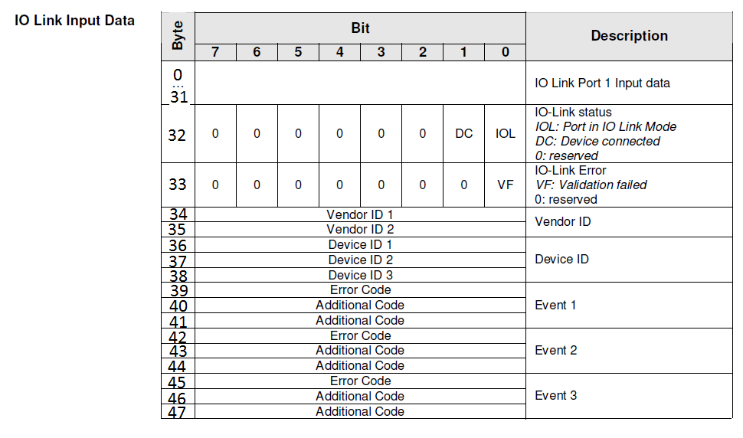
BLCEN-6M12LT-4IOL-2RFID-S
4IOL EIP Input Data Mapping (INT) |  | HI BYTE | LO BYTE | Balluff Mapping | 0 | 1 | 2 | 3 | 4 | 5 | 6 | 7 | …… | 47
Input Data Word 1 | IO-Link Channel 0 - Input Bytes | 1 | 0 | IOL_Port.Inputs
Input Data Word 2 | IO-Link Channel 1 - Input Bytes | 1 | 0
Input Data Word 3 | IO-Link Channel 2 - Input Bytes | 1 | 0
Input Data Word 4 | IO-Link Channel 3 - Input Bytes | x | 0
Input Data Word 5 |  | x | x
Input Data Word 6 |  | x | x
Input Data Word 7 |  | x | x

4IOL EIP Output Data Mapping (INT) |  | HI BYTE | LO BYTE
Output Data Word 1 | IO-Link Channel 0 - Output Bytes | 1 | 0 | IOL_Port.Otputs | 0 | 1 | 2 | 3 | 4 | 5 | 6 | 7 | …… | 47
Output Data Word 2 | IO-Link Channel 1 - Output Bytes | 1 | 0
Output Data Word 3 | IO-Link Channel 3 - Output Bytes | 1 | 0
Output Data Word 4 | IO-Link Channel 4 - Output Bytes | 1 | 0
Output Data Word 5 |  | 3 | 2
Output Data Word 6 |  | 5 | 4
Output Data Word 7 |  | 7 | 6

AB Code
